Stock Chart
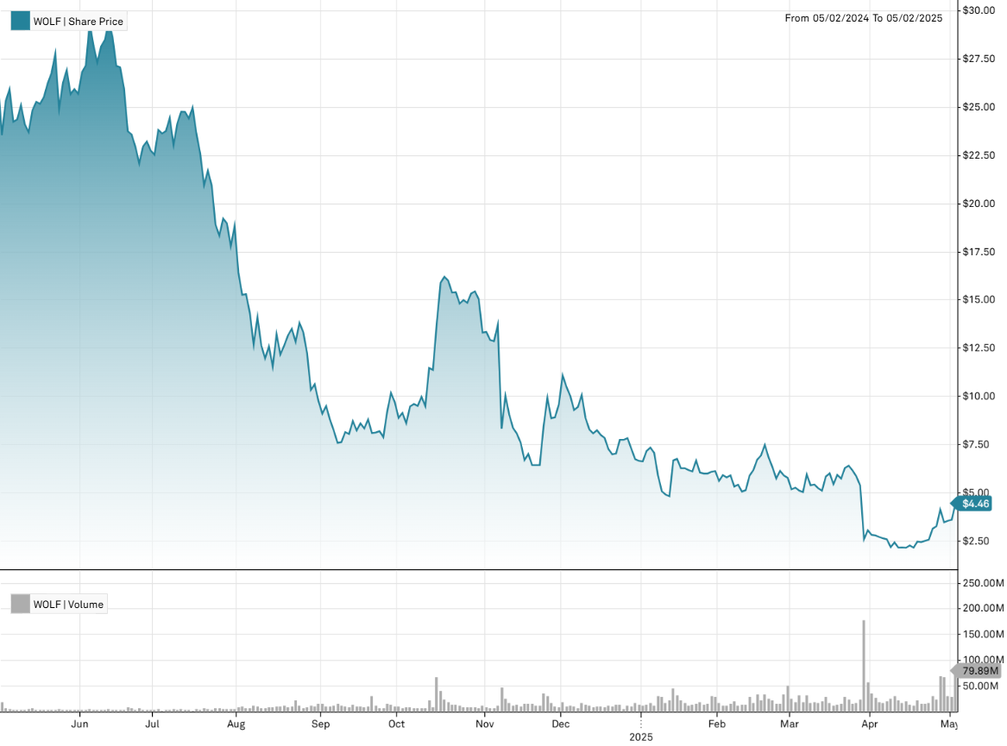
Wolfspeed, Inc. | Stock Chart

NYSE:WOLF (MI Key: 4963899; SPCIQ Key: 197012)

See Data Tab for underlying data

